Surgical Items
BAHJAT ENTERPRISES PLUMBING ITEMS LIST
S No. | Sergical Items List |  | Photo
 | Adult Diapers | Adult Diapers are absorbent disposable products designed for adult incontinence protection, Types: Adult diaper briefs — tab/Velcro fastening, Adult pull-up pants — underwear-style, Adult overnight diapers — higher absorbency, Adult bariatric diapers — extra-large sizes, Common sizes: M, L, XL, XXL, XXXL | 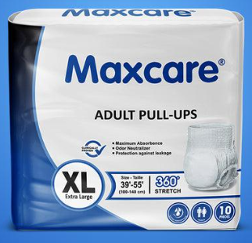
 | Alcohal Swabs | Alcohol Swabs are small, sterile, pre-moistened pads used to clean/disinfect skin or surfaces before injections, blood sampling, or minor procedures, Common specifications: Alcohol: 70% Isopropyl Alcohol (IPA), Material: Non-woven fabric, Size: 30 × 30 mm, 40 × 40 mm, or 65 × 30 mm, Packing: Individually sealed, Types: Sterile / non-sterile, Pack sizes: 50, 100, 200, or 1000 swabs | 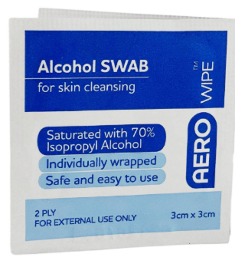
 | Anklet | Anklet / Ankle Support is a wearable support used around the ankle to provide compression, stability, and support during walking, sports, or recovery, Common types: Elastic ankle support, Compression anklet, Ankle brace, Ankle wrap with Velcro, Ankle support with heel opening, Common sizes: S, M, L, XL,Material: Elastic fabric, neoprene, nylon, or cotton blend | 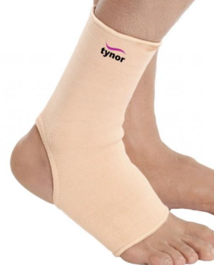
 | Arm Slind Belt | Arm Sling Belt is a supportive medical device used to support and immobilize the arm, wrist, or shoulder after injury or surgery, Common types: Arm pouch sling, Shoulder immobilizer sling, Adjustable arm sling, Pediatric arm sling, Common sizes: S, M, L, XL, Material: Cotton, polyester, foam-padded fabric, or breathable mesh, Features: Adjustable shoulder strap, padded support, thumb loop, and arm pouch. | 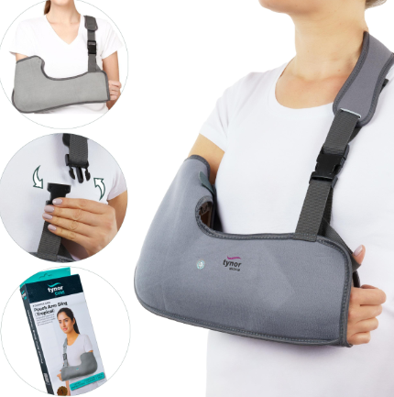
 | Baby Diapers | Baby Diapers are absorbent disposable products designed to keep babies dry and comfortable while preventing leakage, Common sizes: Newborn (NB): up to ~5 kg, S: ~4–8 kg, M: ~6–11 kg, L: ~9–14 kg, XL: ~12–17 kg, XXL: ~15–25 kg, Common types: Tape-style diapers, pant-style diapers, overnight diapers, and newborn diapers, Key specifications: Baby weight range, waist fit, absorbency, leakage guards, wetness indicator, material, and pack quantity. | 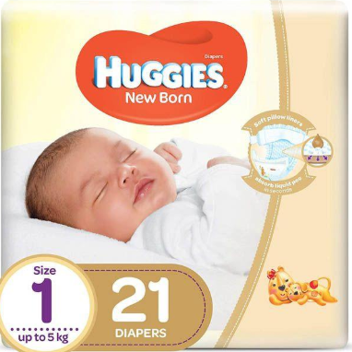
 | Baby Milk Bottle | Baby Milk Bottle is a feeding bottle designed for infants to drink milk, formula, or other suitable liquids, Common specifications: Capacity: 60 ml, 120 ml, 150 ml, 240 ml, 300 ml, Material: BPA-free plastic, silicone, or glass, Nipple: Silicone/latex; slow, medium, or fast flow, Type: Standard-neck, wide-neck, anti-colic, Accessories: Cap, nipple, sealing ring, and protective cover, Typical use: Newborn to toddler, depending on nipple flow and bottle size. | 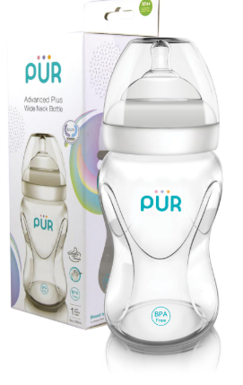
 | Baby Nipple | Baby Nipple (Bottle Teat) is the soft nipple/teat fitted onto a baby feeding bottle for milk or formula feeding, Common types: Newborn / slow-flow nipple, Medium-flow nipple, Fast-flow nipple, Anti-colic nipple, Wide-neck nipple, Orthodontic nipple, Common material: Food-grade silicone or latex, Common sizes: 0–3 months, 3–6 months, 6–12 months, 12+ months, Typical flow: Slow, medium, or fast flow. | 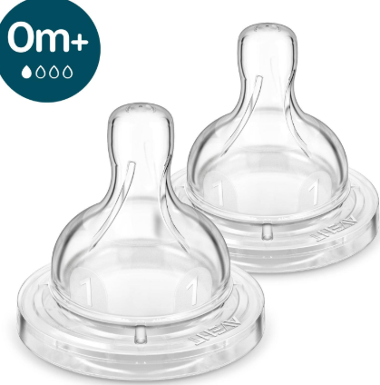
 | Band Aid | Band Aid / Adhesive Bandage is a small adhesive dressing used to cover and protect minor cuts, wounds, scratches, and abrasions, Common types: Standard adhesive strip, Waterproof bandage, Fabric bandage, Transparent bandage, Antiseptic bandage, Knuckle / fingertip bandage, Common sizes: Small: ~19 × 72 mm, Medium: ~25 × 72 mm, Large: ~38 × 76 mm, Material: Non-woven fabric, plastic film, or fabric with an absorbent wound pad. | 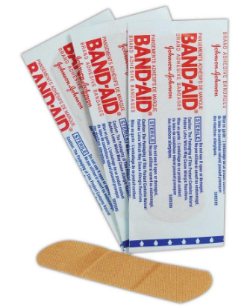
 | Band Aid Square | Band Aid Square is a square-shaped adhesive wound dressing used to cover and protect minor cuts, wounds, abrasions, and injection sites, Common specifications: Shape: Square, Sizes: 25 × 25 mm, 38 × 38 mm, 50 × 50 mm, 75 × 75 mm, Material: Non-woven fabric, plastic film, or cotton Pad: Absorbent, non-adherent wound pad, Adhesive: Skin-friendly medical adhesive, Packing: Individually packed or bulk pack, Type: Sterile / non-sterile | 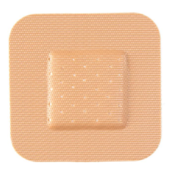
 | Band Aid Waterproof | Waterproof Adhesive Bandage, A waterproof adhesive dressing used to protect minor cuts, wounds, and abrasions from water, dirt, and contamination, Common types & sizes: Strip bandage: 19 × 72 mm, 25 × 72 mm, Square bandage: 38 × 38 mm, Large dressing: 50 × 75 mm or larger, Types: Standard strip, fingertip, knuckle, transparent film, Features: Waterproof adhesive, absorbent wound pad, flexible backing, Packing: Individual sterile pieces or multi-piece box | 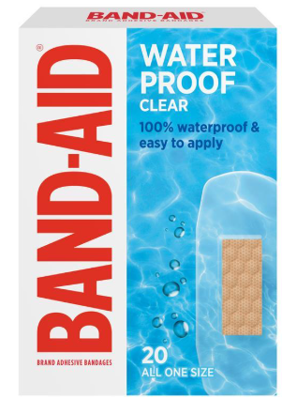
 | BD Ultra Fine Pen Needle | Type: Insulin pen needle, Brand: BD (Becton Dickinson), Common sizes: 4 mm × 32G – short, fine needle, 5 mm × 31G, 6 mm × 31G, 8 mm × 31G, 12.7 mm × 29G, Typical specification format: 4 mm × 32G (length × gauge), | 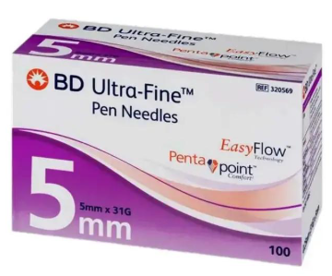
 | Belladona Plaster | Type: Medicated topical plaster, Use: Traditionally used as a topical analgesic/antispasmodic plaster for localized pain, Typical specification: Form: Adhesive medicated plaster, Application: External use only, Size: Varies by manufacturer, commonly supplied as individual patches, Material: Fabric/plaster backing with medicated adhesive layer, | 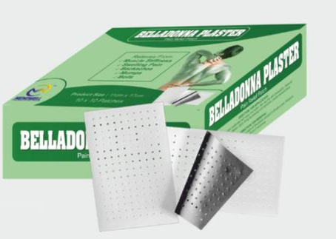
 | Blood Set | Type: Blood Transfusion / Administration Set, Use: Used to transfer blood or blood components from a blood bag to a patient through an IV line, Common specifications: Tube length: ~150–180 cm, Filter: In-line blood filter, commonly 170–260 micron, Spike: Blood bag spike, Connector: Luer lock / standard IV connection, Type: Sterile, single-use, disposable, Packaging: Individual sterile pack | 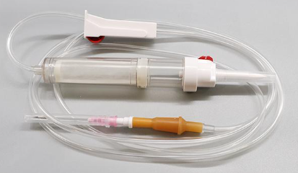
 | Blood Test Strip | Type: Blood Glucose Test Strip / Glucometer Strip, Use: Used with a compatible glucometer to measure blood glucose (blood sugar) levels. Common specifications: Sample: Capillary whole blood, Sample volume: Typically ~0.5–1 µL, depending on meter, Use: Single-use, Packaging: 25, 50, or 100 strips, Compatibility: Must match the specific glucometer model, Measurement: Usually reported in mg/dL or mmol/L | 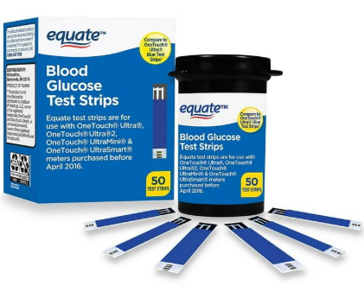
 | BP Monitor | Type: Blood Pressure Monitor / Sphygmomanometer, Use: Measures systolic blood pressure, diastolic blood pressure, and pulse rate, Common types: Digital Upper-Arm BP Monitor – automatic, Digital Wrist BP Monitor, Manual Aneroid BP Monitor – used with stethoscope, Typical digital specifications: Measurement range: Approx. 0–299 mmHg, Pulse range: Approx. 40–199 beats/min, Cuff: Adult / large adult / pediatric, depending on model, Display: LCD, Power: Batteries or AC adapter | 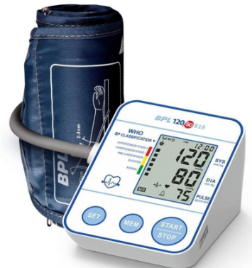
 | Canfix | Canfix is an elastic adhesive cannula fixator used to securely hold an IV cannula/catheter in place after insertion. It is made by Medicare Hygiene Limited, Product type - Cannula Fixator, Brand -Canfix, Use -IV cannula fixation, Material - Elastic adhesive bandage, Shape - I & U shape, Common size - 5 cm × 6 cm, Color -Skin/beige, Adhesive, Hypoallergenic /non-allergic | 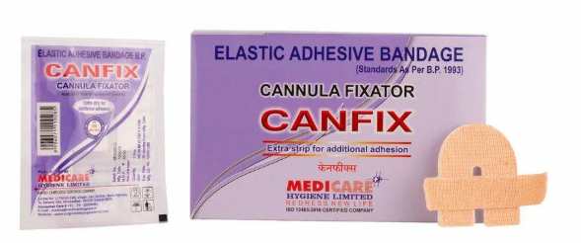
 | Crepe Bandage | Crepe bandage is an elastic woven bandage used to provide compression and support for sprains, strains, swelling, and joints, Product type- Elastic Crepe Bandage, Material-Cotton / polyester or blended fabric, Width-5 cm, 7.5 cm, 10 cm, 15 cm, 20 cm, Length Commonly 4–4.5 m when stretched, Use Compression, support, dressing retention, Application- Arm, wrist, ankle, knee, leg, Reusable Depends on product specification | 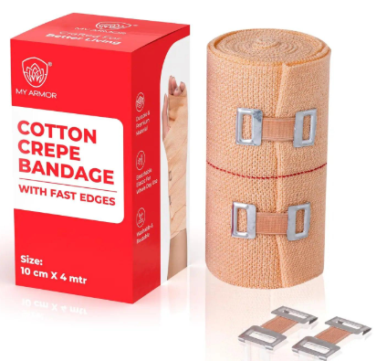
 | Cuti Sorb | Cuti Sorb is an absorbent wound dressing/pad used for managing wound exudate and protecting wounds, Product type -Absorbent wound dressing, Use -Wound care / dressing, Function -Absorbs wound exudate, Application -Cuts, wounds, surgical sites, Sterility -Available in sterile variants, Sizes -Varies by manufacturer/product | 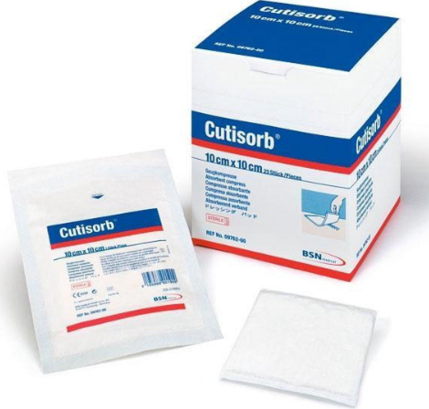
 | Digital Thermometer | A digital thermometer is a medical device used to measure body temperature electronically, Product type -Digital Clinical Thermometer, Display -LCD, Measurement unit °C / °F, Measurement range -Typically 32–42°C, Use-Oral, axillary or rectal*, Features Digital display, memory, auto shut-off, fever alarm, Power -Button-cell battery, pplication Home, clinic, hospital, | 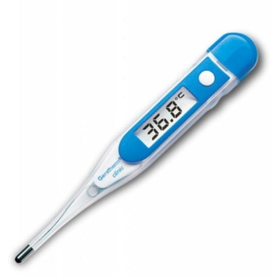
 | Distilled Water | Distilled Water is purified water produced by boiling water and condensing the steam, which removes many dissolved minerals, salts, and impurities, Common uses: Medical and laboratory applications, Sterilizers and autoclaves, Battery and equipment maintenance, Humidifiers, Pharmaceutical preparation, where specified, Common pack sizes: 500 mL, 1 L, 5 L, 20 L | 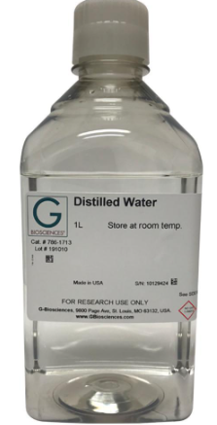
 | Ear Buds | Ear Buds usually refer to small cotton-tipped sticks used for cleaning or applying medication around the outer ear, Common types: Cotton ear buds, Sterile medical ear buds, Wooden ear buds, Plastic-stem ear buds, Common sizes/packing: 5–10 cm length; packs of 50, 100, 200, or 500 pieces. | 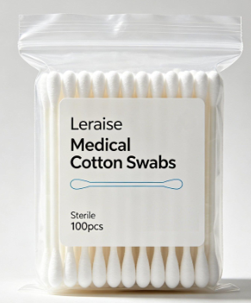
 | Elbow Cap | An Elbow Cap is a protective support worn around the elbow to provide compression, warmth, and support. It is commonly used during sports, physical activity, or recovery from minor elbow strain, Common types: Elastic elbow cap Neoprene elbow support, Compression elbow sleeve, Tennis elbow support, Hinged elbow brace, Common sizes: S, M, L, XL, XXL, Material: Neoprene, elastic fabric, nylon, or breathable polyester. | 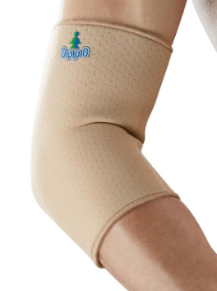
 | Electric Hot Water Bag | An Electric Hot Water Bag is a reusable heating bag that provides warmth for relieving muscle pain, cramps, backache, joint stiffness, and menstrual discomfort. It is electrically heated and usually does not require adding water, Common Types: Rechargeable Electric Hot Water Bag Gel-Filled Electric Heating Bag, PVC Electric Hot Water Bag, Belt/Wrap-Type Heating Bag, Capacity: 1–2 L equivalent, Voltage: 220–240 V AC (depending on model), Heating time: typically 5–15 minutes, Outer material: PVC/rubber with soft fabric cover, Features: insulated cover, automatic temperature control, charging indicator, Uses: Back pain, abdominal cramps, muscle soreness, joint discomfort, and general heat therapy. | 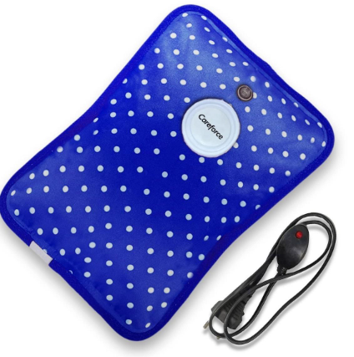
 | Face Mask | A Face Mask is a protective covering worn over the nose and mouth to help reduce exposure to airborne droplets, particles, and contaminants, Common types: 3-Ply Disposable Surgical Mask, N95 Respirator, KN95 Mask, Reusable Cloth Mask, FFP2 Mask, Common sizes: Adult, Small/Medium, Kids, Common packing: 10, 25, 50, or 100 pieces | 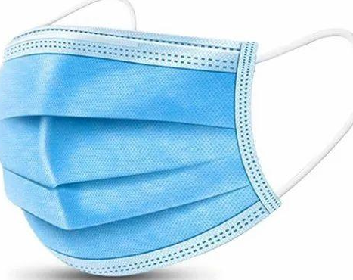
 | Face Shield Mask | A Face Shield Mask is a protective device that covers the face, eyes, and mouth/nose area to help protect against splashes, droplets, and other contaminants, Common types: Full-face shield, Disposable face shield, Reusable face shield, Face shield with mask, Medical/clinical face shield, Common material: PET or polycarbonate transparent visor with foam headband, Typical size: Adult / adjustable, with approximately 20–25 cm visor height depending on design. | 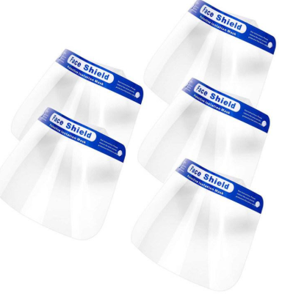
 | Gauze Piece | A Gauze Piece is a small piece of absorbent gauze used for wound cleaning, dressing, applying antiseptic, and absorbing blood or wound fluid, Common Types: Sterile Gauze Piece, Non-Sterile Gauze Piece, Cotton Gauze, X-ray Detectable Gauze, Absorbent Gauze Swab, Common Sizes: 5 × 5 cm, 7.5 × 7.5 cm, 10 × 10 cm, 10 × 20 cm, Common ply: 4-ply, 8-ply, 12-ply, 16-ply, Packing: Usually individually sterile or packs of 5, 10, 25, 50, or 100 pieces. | 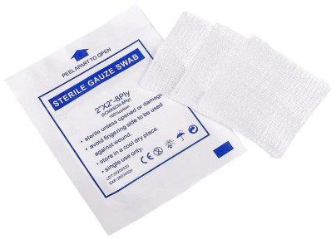
 | Glucometer | A Glucometer (Blood Glucose Meter) is a portable medical device used to measure blood sugar (glucose) levels, usually from a small finger-prick blood sample, Common Types: Standard Digital Glucometer, Bluetooth/Smart, Glucometer, Talking Glucometer, No-Coding Glucometer, Typical Specifications: Sample: Capillary blood, Test time: approximately 5–10 seconds, Display: Digital LCD, Measurement: mg/dL or mmol/L, Accessories: Test strips, lancets, lancing device, batteries, carrying case, Common Pack: 1, glucometer + 10–50 test strips + lancets. | 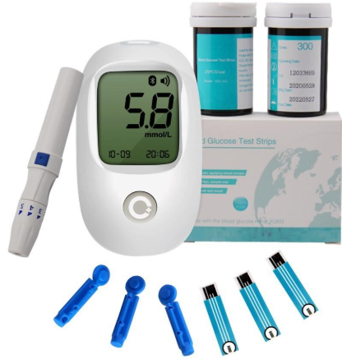
 | Gylycrine | Glycerine is a clear, colorless, viscous liquid used as a moisturizer, skin protectant, lubricant, and pharmaceutical ingredient.Common Types: Pharmaceutical Grade Glycerine, Medical Grade Glycerine, Cosmetic Grade Glycerine, Vegetable Glycerine, Common Pack Sizes: 100 mL, 200 mL, 500 mL, 1 L, 5 L, Uses: Skin care, preparation of medicines, lubrication, and as an ingredient in certain pharmaceutical formulations. | 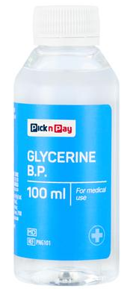
 | Handwash | Handwash is a liquid cleansing product used to clean hands and remove dirt, oils, and microorganisms. Common Types: Liquid Handwash, Antibacterial Handwash, Antiseptic Handwash, Moisturizing Handwash, Foaming Handwash, Common Pack Sizes: 100 mL, 250 mL, 500 mL, 1 L, 5 L, Common Uses: Hospitals, clinics, offices, schools, homes, washrooms, and healthcare facilities, | 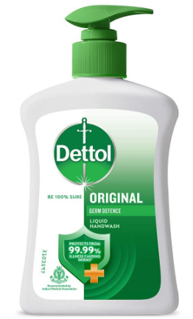
 | Head Cap | A Head Cap is a protective medical cap worn over the hair to maintain hygiene and reduce contamination in hospitals, clinics, laboratories, and operating rooms, Common types: Disposable surgical head cap, Bouffant cap, Nurse cap, Reusable surgical cap, Mob cap, Common sizes: Free Size, S, M, L, XL, Material: Non-woven polypropylene, cotton, or polyester. | 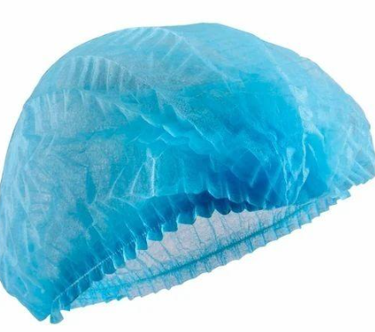
 | Hot Water Bag | A reusable rubber/PVC bag filled with hot water to provide heat therapy for muscle pain, cramps, backache, joint discomfort, and menstrual cramps, Common types: Rubber Hot Water Bag, PVC Hot Water Bag, Electric Hot Water Bag, Cover/Fabric Hot Water Bag, Common sizes: 1 L, 1.5 L, 2 L, 2.5 L | 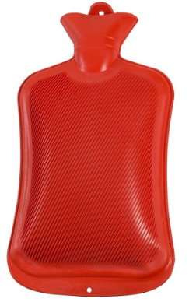
 | Insuline Needles | Insulin Needles, Correct spelling: Insulin Needles, Insulin needles are single-use needles designed for insulin pens or insulin syringes, Common sizes: 4 mm × 32G, 5 mm × 31G, 6 mm × 31G, 8 mm × 31G, 12.7 mm × 29G, Common types: Pen Needle Syringe Needle, Safety Insulin Needle | 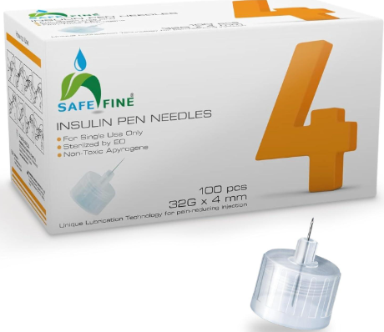
 | IV Set | IV Set, Correct name: IV Set (Intravenous Infusion Set), An IV set is a sterile, disposable tubing set used to deliver IV fluids or medicines directly into a vein, Common specifications: Tube length: 150–180 cm, Spike: Standard drip spike, Drip chamber: Macrodrip or microdrip, Connector: Luer Lock / Luer Slip, With: Roller clamp, injection port, protective cap, Common types: Macrodrip IV Set — 10/15/20 drops/mL, Microdrip IV Set — 60 drops/mL, IV Set with Air Vent, IV Set without Air Vent | 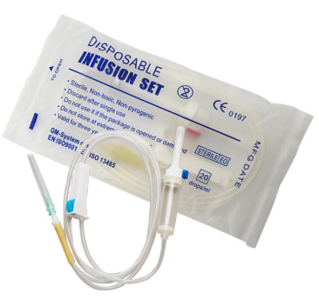
 | Knee Cap | Knee Cap / Knee Support, A knee cap is an orthopedic support worn around the knee to provide compression, warmth, stability, and support during activity or recovery, Common types: Elastic Knee Cap, Neoprene Knee Support, Hinged Knee Brace, Patella Knee Support, Open Patella Knee Cap, Common sizes: S, M, L, XL, XXL — based on knee circumference. | 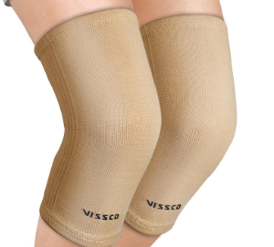
 | Lab Coat | Laboratory Coat / Lab Coat, A lab coat is protective workwear used in hospitals, laboratories, clinics, pharmacies, and healthcare facilities to protect clothing and reduce exposure to spills and contaminants, Common specifications: Material: Cotton, polyester-cotton, or poly-cotton, Style: Full sleeve, front-buttoned, Features: 2–3 pockets, collar, cuffed or open sleeves, Colors: White, blue, etc, Sizes: S, M, L, XL, XXL | 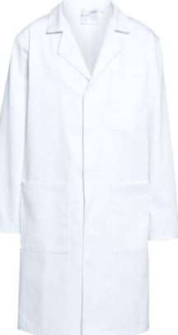
 | Lancets | Lancets, Lancets are small, sterile, single-use devices used to prick the fingertip for obtaining a small blood sample, commonly for blood glucose testing, Common specifications: Gauge: 28G, 30G, 31G, 32G, Type: Universal / Safety Lancet, Use: Blood glucose monitoring, Packing: Individual sterile pieces or boxes | 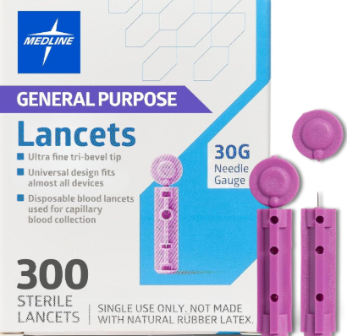
 | LS Belt | LS Belt (Lumbosacral Belt), An LS belt is an orthopedic support designed to provide support and compression to the lower back and lumbosacral region, Common specifications: Material: Elastic, neoprene, or cotton fabric, Support: Flexible/rigid stays, Closure: Velcro, Sizes: S, M, L, XL, XXL, Use: Lower-back support and stabilization | 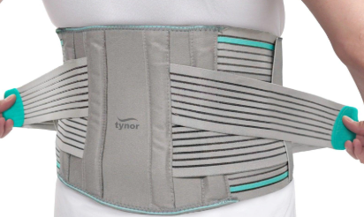
 | Male Catheter | Male Urinary Catheter, A male urinary catheter is a sterile medical tube used to drain urine from the bladder through the urethra, Common types: Foley Catheter – 2-way / 3-way, Nelaton Catheter, Condom Catheter (External), Intermittent Catheter, Common sizes (Fr): 10 Fr, 12 Fr, 14 Fr, 16 Fr, 18 Fr, 20 Fr, 22 Fr. | 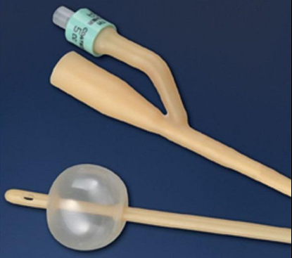
 | Mercury Thermometer | Mercury Thermometer, A glass clinical thermometer containing mercury, traditionally used to measure body temperature, Common specification: , Temperature range: 35°C–42°C, Graduation: 0.1°C, Type: Clinical, glass, Use: Oral or axillary temperature measurement, | 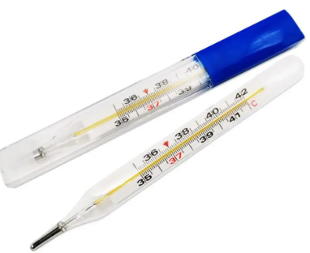
 | N95 Mask | N95 Respirator / N95 Mask, An N95 respirator is a tight-fitting respiratory protective device designed to filter airborne particles, Common specifications: Filtration: ≥95% of airborne particles under the applicable test standard, Type: Disposable, cup-shaped or foldable, Features: Nose clip, head straps, adjustable fit, Sizes: Regular / Small (depending on manufacturer), Use: Healthcare, laboratories, construction, and dusty environments | 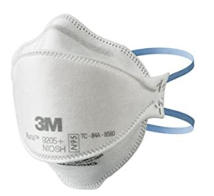
 | Nebuliser | Nebulizer, A nebuliser is a medical device that converts liquid medication into a fine mist that can be inhaled through a mask or mouthpiece, Common types: Compressor Nebuliser, Portable/Mesh Nebuliser, Ultrasonic Nebuliser, Common specifications: Medication capacity: 5–10 mL, Particle size: Typically ≤5 microns, Accessories: Nebuliser cup, tubing, adult mask, child mask, mouthpiece | 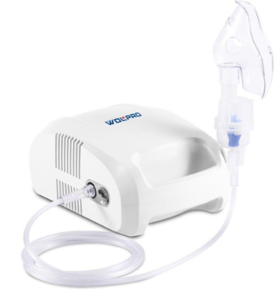
 | Nebulizer Mask | Nebulizer Mask, A nebulizer mask is a medical mask used with a nebulizer to deliver medication mist to the patient's airways, Common types: Adult Nebulizer Mask, Pediatric/Child Nebulizer Mask, Infant Nebulizer Mask, Common specifications: Material: Medical-grade PVC, Size: Adult / Child / Infant, Connection: Standard nebulizer tubing, Features: Elastic head strap and adjustable nose clip | 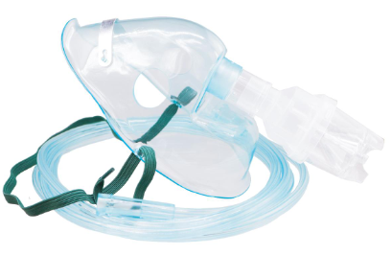
 | Neck Support | Neck Support / Cervical Collar, A neck support is an orthopedic device used to support and stabilize the neck and limit excessive movement, Common types: Soft Cervical Collar, Hard Cervical Collar, Adjustable Neck Support, Foam Cervical Collar, Common sizes: S, M, L, XL — based on neck circumference. | 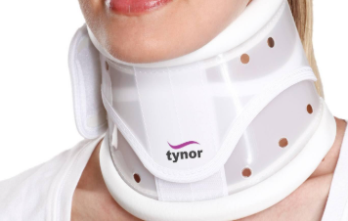
 | Needles | Hypodermic Needles / Disposable Medical Needles, Used with syringes for injections, medication administration, or blood collection, Common sizes: 18G × 1½″ – drawing up medication, 21G × 1½″ – injections, 22G × 1″ – injections, 23G × 1″ – injections, 25G × 1″ – injections, 26G–27G – fine-gauge applications | 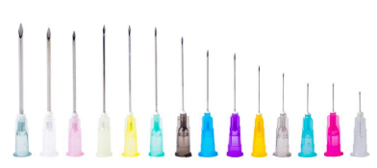
 | Nytrile Gloves | Nitrile Examination Gloves / Nitrile Disposable Gloves, Used for hand protection in hospitals, clinics, laboratories, pharmacies, and general medical work, Common specifications: Material: Nitrile rubber, Type: Powder-free, disposable, Fit: Ambidextrous, Sizes: S, M, L, XL, Colors: Blue, black, white, purple, Packing: Usually 100 gloves/box | 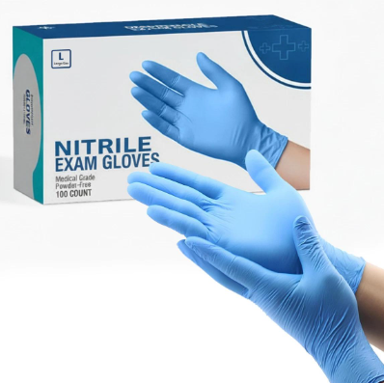
 | Oximeter | Pulse Oximeter / Fingertip Pulse Oximeter, A non-invasive device used to measure blood oxygen saturation (SpO₂) and pulse rate (PR), Common specifications: SpO₂ range: 70–100%, Pulse rate: Typically 30–250 BPM, Display: LED / OLED, Type: Fingertip, handheld, bedside, Power: AAA batteries or rechargeable, Features: Auto power-off, low-battery indicator, Common use: Hospital, clinic, home healthcare | 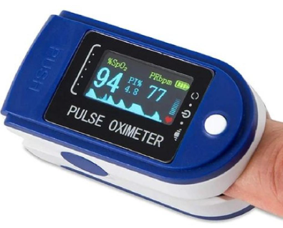
 | Sanitary Pad | Sanitary Pad / Menstrual Pad, A disposable absorbent hygiene product used to absorb menstrual blood, Common types & specifications: Types: Regular, heavy-flow, overnight, maternity/postpartum, Design: With wings / without wings Sizes: Regular, Large, XL, XXL, Absorbency: Light, Medium, Heavy Material: Absorbent core with soft top sheet and leak-proof backing, Packing: Usually 6, 8, 10, 15, or 20 pads per pack | 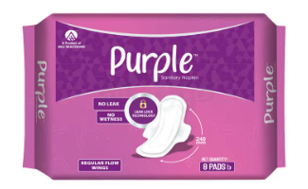
 | Sanitizer | Hand Sanitizer / Alcohol-Based Hand Rub, Used for hand hygiene to reduce germs when soap and water are not readily available, Common specifications: Form: Liquid, gel, or foam, Alcohol content: Commonly 60–95% alcohol, depending on formulation, Pack sizes: 50 mL, 100 mL, 200 mL, 500 mL, 1 L, 5 L, Packaging: Pump bottle, flip-top bottle, or dispenser refill, Types: Alcohol-based, alcohol-free | 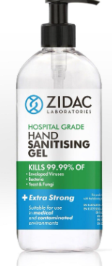
 | Shoulder Support | Shoulder Support / Shoulder Brace, An orthopedic support used to provide compression, stability, and support to the shoulder joint, Common types: Shoulder immobilizer, Shoulder compression support, Shoulder stabilizer brace, Rotator cuff support, Adjustable shoulder brace, Common sizes: S, M, L, XL, XXL, Material: Neoprene, elastic, nylon, breathable fabric, Features: Adjustable Velcro straps, compression, arm support | 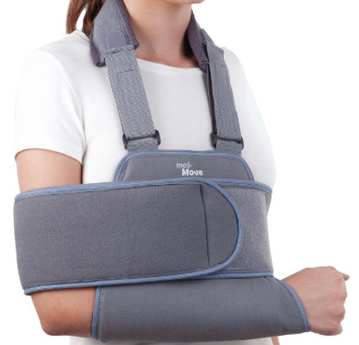
 | Sline Water D10 | Dextrose 10% (D10), Type-IV infusion solution, Composition-Dextrose 10% w/v in sterile water, Common Sizes-100 mL, 250 mL, 500 mL, Form Sterile liquid, Use-Provides glucose/calories and is used for treatment of low blood glucose when clinically indicated, Packaging-IV bag / bottle, Note: D10 is not normal saline (0.9% sodium chloride); it is a dextrose solution. | 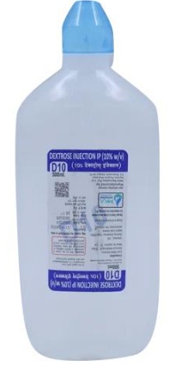
 | Sline Water D5 | Dextrose 5% (D5), Type IV infusion solution, Composition-5% w/v Dextrose in water, Common Sizes 100 mL, 250 mL, 500 mL, 1000 mL, Form Sterile liquid Use-Provides glucose and water when clinically indicated, Packaging-IV bag / bottle, Note: D5 is a dextrose solution, not 0.9% normal saline. | 
 | Sline Water DNS | DNS – Dextrose Normal Saline, Composition: Dextrose 5% w/v + Sodium Chloride 0.9% w/v, Form: IV infusion, Common pack size: 500 mL; 1000 mL is also available, Use: Provides fluid, sodium/chloride electrolytes, and glucose/calories, Route: Intravenous use only, administered by a healthcare professional, Category: IV fluid / electrolyte and carbohydrate solution, Typical specification for 500 mL: Dextrose 25 g + Sodium Chloride 4.5 g. | 
 | Sline Water NS | NS – Normal Saline (0.9% Sodium Chloride Injection), Composition: Sodium Chloride 0.9% w/v, Form: IV infusion, Common sizes: 100 mL, 500 mL, 1000 mL, Use: Fluid replacement and maintenance of sodium/chloride balance, Route: Intravenous use under medical supervision, Category: IV fluid / electrolyte, solution, For 500 mL: Sodium Chloride 4.5 g in water for injection. | 
 | Sline Water RL | RL – Ringer’s Lactate / Lactated Ringer’s Solution, Form: IV infusion, Common sizes: 500 mL, 1000 ml, Contains: Sodium chloride, sodium lactate, potassium chloride, and calcium chloride, Use: Fluid and electrolyte replacement, especially in dehydration and fluid loss, Route: Intravenous infusion under medical supervision, Category: IV fluid / electrolyte solution | 
 | Sthetoscope | It is a medical instrument used to listen to sounds from the heart, lungs, and other internal organs. | 
 | Surgical Bandage | A surgical bandage is a sterile or non-sterile medical dressing used to cover, protect, and support wounds after surgery or injury, Common types: Sterile gauze bandage, Elastic/crepe bandage, Adhesive surgical bandage, Compression bandage, Tubular bandage, Typical sizes: 5 cm, 7.5 cm, 10 cm, 15 cm, 20 cm width × 4–5 m length (depending on type). | 
 | Surgical Blade | A surgical blade (scalpel blade) is a sterile, sharp medical instrument used by surgeons for making precise incisions during surgical procedures, Common types/sizes: No. 10 – General skin incisions, No. 11 – Small, pointed blade; puncture/stab incisions, No. 12 – Curved blade; specialized procedures, No. 15 – Small, precise incisions, No. 20, 21, 22, 23 – Larger blades for broader incisions, Material: Usually stainless steel or carbon steel, Packing: Commonly individually sterile packed and disposable | 
 | Surgical Cotton | Surgical Cotton (Absorbent Cotton) is purified, highly absorbent cotton used in wound cleaning, dressing, applying antiseptics, and general medical procedures, Common sizes/packing: 25 g, 50 g, 100 g, 200 g, 500 g, 1 kg, Typical form: Rolls or loose cotton, Material: 100% purified cotton, Use: Hospitals, clinics, first-aid and wound dressing | 
 | Surgical Gown | A Surgical Gown is protective medical clothing worn by surgeons, doctors, nurses, and other healthcare workers during surgical procedures to maintain hygiene and reduce contamination, Types: Disposable surgical gown, Reusable/cloth surgical gown, Sterile surgical gown, Non-sterile protective gown, Reinforced surgical gown, Common sizes: S, M, L, XL, XXL, Material: SMS non-woven fabric, spunbond/meltblown fabric, or polyester/cotton for reusable gowns. | 
 | Surgical Pillow | A Surgical Pillow is a specialized medical positioning cushion used to support and position a patient's head, neck, back, arms, or legs during surgery and medical procedures, Common types: Head positioning pillow, Neck support pillow, Donut/ring pillow, Prone-position pillow, Knee/leg positioning pillow, Common materials: High-density foam, memory foam, silicone gel, or medical-grade polyurethane. | 
 | Surgical Rigid Beige | Type-Rigid Adhesive Medical Tape, Color-Beige / Skin tone, Material-Cotton or rayon fabric backing, Adhesive-Medical-grade adhesive, Common Widths- 2.5 cm, 5 cm, 7.5 cm, 10 cm, Common Length 5 m, 10 m, Features- Strong adhesion, non-stretch, breathable, Use-Securing dressings, bandages, gauze and medical tubing | 
 | Surgical Silicon Tape | Type-Medical-grade silicone adhesive tape, Material-Soft silicone adhesive + non-woven/polyester backing, Common Widths-1.25 cm, 2.5 cm, 5 cm, 7.5 cm, 10 cm, Common Length-1 m, 5 m, 10 m, Adhesive-Gentle, hypoallergenic silicone, Features-Skin-friendly, breathable, repositionable, easy to remove, Use-Securing dressings, wound-care applications, tubes and medical devices, Packaging- Individual roll / sterile or non-sterile, depending on application | 
 | Surgical Sit | A Surgical Set is a prepared collection of sterile surgical instruments and accessories used for specific medical or surgical procedures, Common Types: Minor Surgical Set, Major Surgical Set, Dressing Set, Suturing Set, Obstetric /Gynecology Set, General Surgery Set, Typical Instruments: Surgical scissors, Artery forceps, Tissue forceps, Needle holder, Scalpel handle, Retractors, Kidney tray, Material: Usually stainless steel instruments, Packing: Sterile or non-sterile, depending on the set and application. | 
 | Surgical Skin Marker | A Surgical Skin Marker is a medical-grade pen used by healthcare professionals to mark the skin before or during surgical procedures, Common Types: Sterile Surgical Skin Marker, Non-Sterile Skin Marker, Fine-Tip Marker, Regular-Tip Marker, Marker with Measuring Ruler, Typical Specifications: Tip: Fine or medium, Ink: Medical-grade, quick-drying, water-resistant, Color: Usually violet/blue, Length: Approximately 13–15 cm, Packing: Single piece or box of 10–50 pieces, Uses: Surgical site marking, incision planning, anatomical marking, and procedure identification. | 
 | Surgical Tape | Surgical Tape is an adhesive medical tape used to secure dressings, gauze, bandages, catheters, IV lines, and other medical devices to the skin, Common types: Microporous Paper Tape, Non-Woven Surgical Tape, Transparent Film Tape, Cloth Surgical Tape, Hypoallergenic / Sensitive-Skin Tape, Waterproof Surgical Tape, Common sizes: 1.25 cm × 5 m, 2.5 cm × 5 m, 5 cm × 5 m, 7.5 cm × 5 m, 10 cm × 5 m, Materials: Paper, non-woven fabric, cotton/cloth, or transparent polyurethane film with medical-grade adhesive, Uses: Wound dressing fixation, securing IV cannulas/tubes, post-operative dressing, and general clinical applications. | 
 | Syringes | Syringes are sterile medical devices used to inject medicines, vaccines, or fluids and withdraw liquids from containers or the body, Common types: Disposable Syringe, Insulin Syringe, Tuberculin Syringe, 2-Part Syringe, 3-Part Syringe, Luer Lock Syringe, Luer Slip Syringe, Oral Syringe, Safety Syringe, Common sizes/capacities: 1 mL, 2 mL / 3 mL, 5 mL, 10 mL, 20 mL, 50 mL / 60 mL, Common needle sizes: 18G–30G, depending on the application, Material: Medical-grade polypropylene/plastic; needles are generally stainless steel, Typical uses: Injections, vaccination, medication administration, blood/fluid withdrawal, and laboratory/clinical procedures. | 
 | Thermal Thermometer | A Thermal Thermometer is a device used to measure body temperature, usually by detecting infrared heat or using an electronic temperature sensor, Common types: Infrared Forehead Thermometer, Non-Contact Thermal Thermometer, Digital Clinical Thermometer, Ear/Infrared Thermometer, Typical specifications: Measuring range: 32°C–42.9°C (varies by model), Display: LCD, Measurement time: 1–3 seconds for infrared models, Units: °C / °F, Power: Battery operated, Uses: Hospitals, clinics, laboratories, homes, and patient temperature screening. | 
 | Tigh and Calf Support | Thigh and Calf Support, Correct spelling: Thigh and Calf Support,It is a supportive medical/orthopedic product used around the thigh and calf muscles to provide compression, stability, and support during injury recovery or physical activity, Common types: Thigh Support, Calf Support, Thigh & Calf, ompression Sleeve, Adjustable Thigh & Calf Support, Neoprene Thigh/Calf, Support, Common sizes: S, M, L, XL, XXL — selected according to the thigh/calf circumference. | 
 | Tissue Paper | Tissue Paper is a soft, absorbent disposable paper used for hand drying, cleaning, wiping, and personal hygiene.Common Types: Facial Tissue, Hand Tissue,Toilet Tissue, Kitchen Tissue, Medical/Clinical Tissue, Common Sizes/Packaging: Box: 100–200 sheets, Roll: 50–250 sheets, Ply: 1-ply, 2-ply, 3-ply, Material: Virgin pulp or recycled paper, Uses: Hospitals, clinics, offices, washrooms, hotels, and homes. | 
 | Tongue Cleaner | A Tongue Cleaner (Tongue Scraper) is a dental hygiene tool used to remove coating, food debris, and bacteria from the surface of the tongue, helping maintain oral hygiene and fresh breath, Common Types: Stainless Steel Tongue Cleaner, Plastic Tongue Scraper, Copper Tongue Cleaner, U-Shaped Tongue, Cleaner, Brush-Type Tongue Cleaner, Typical Size: Approximately 12–15 cm long, Use: Gently scrape the tongue from back to front, usually once or twice daily. | 
 | Tooth Brushes | Toothbrushes are oral-hygiene tools used to clean teeth, gums, and remove plaque and food particles, Common Types: Soft Bristle Toothbrush, Medium Bristle Toothbrush, Hard Bristle Toothbrush, Kids/Children's Toothbrush, Orthodontic Toothbrush, Disposable Dental Toothbrush, Electric Toothbrush, Typical Size: Adult: 17–19 cm overall length, Children: 14–17 cm, Bristles: Soft/medium/hard nylon, Packing: Single piece, 2-piece, 3-piece, or multipack. | 
 | Urobag | A Uro Bag (Urine Collection Bag / Urinary Drainage Bag) is a sterile disposable bag used to collect and measure urine from a patient, commonly when a urinary catheter is in place, Common Types: Leg Urine Bag, Bedside/Drainage Urine Bag 2-Litre Uro Bag, Pediatric Urine Collection Bag, Closed-System Urine Bag, Common Capacities: 100 mL – pediatric, 500–750 mL – leg bag, 1,000 mL, 2,000 mL – bedside bag, Typical Features: Graduated measuring scale, drainage outlet, catheter connector, anti-reflux valve, and hanging straps/hooks. | 
 | Vaporisor | A Vaporizer is a device that converts water or a liquid into warm vapour/steam, commonly used for inhalation or humidification, Common Types: Electric Steam Vaporizer, Facial/Steam Vaporizer, Portable Vaporizer, Medical Vaporizer, Capacity: 1–2 L, Power: 100–300 W, Supply: 220–240 V AC, Material: Plastic body with heating element, Features: On/off switch, steam outlet, indicator, automatic safety cut-off, Uses: Steam inhalation, nasal congestion relief, humidification, and general home/clinical steam applications. | 
 | Wipes | Type-Wet / Cleaning / Medical Wipes, Material-Non-woven fabric, Packaging- Individual sachets or resealable pack, Common Sizes 10×15 cm, 15×20 cm , Use-Skin cleansing, hygiene, surface cleaning, or medical applications, Variants-Baby Wipes, Alcohol Wipes, Antiseptic Wipes, Disinfectant Wipes | 
 | Wrist Band | Wrist Band, Type-Elastic / Compression Wrist Support, Size-S / M / L / XL, Material-Elastic, breathable fabric, Support-Light wrist compression and support, Closure Stretch-fit or Velcro adjustable, UseSports, exercise, daily wrist support, mild strain support | 
 | Wrist Belt | Wrist Belt / Wrist Support, Type-Elastic Compression Wrist Support, Size-S / M / L / XL – as required, Material-Elastic / Neoprene / Breathable fabric, Support-Wrist joint compression and stabilization, Closure-Velcro / Adjustable strap, Use Sports, gym, work-related wrist support, general wrist stabilization | 
 | Wrist Splint With Thumb Medium | Wrist Splint with Thumb, Type - Thumb Spica / Wrist Support, Size-Medium (M), Support-Wrist + Thumb, Material-Neoprene / Elastic / Breathable fabric with metal or plastic splint, Use-Wrist and thumb stabilization, support during recovery, Design-Adjustable Velcro straps, Side-Left or Right hand – specify when ordering | 

